FOSSIL LEATHERS
STYLE | IMAGE | QTY | MSRP
ZB1888001 | 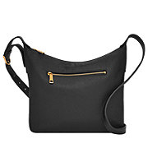 | 2,673 | $200.00
ZB1888200 | 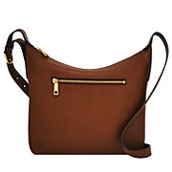 | 1,782 | $200.00
ZB1889001 | 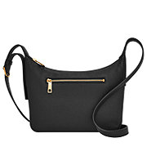 | 2,967 | $180.00
ZB1889200 | 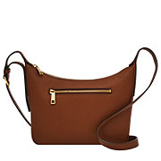 | 3,718 | $180.00
ZB1890914 | 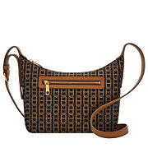 | 1,949 | $180.00
ZB1889700 | 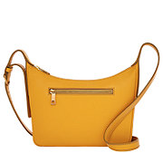 | 212 | $180.00
ZB1849200 | 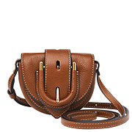 | 2,803 | $170.00
ZB1698104 | 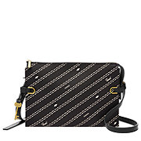 | 308 | $220.00
ZB1701104 | 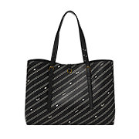 | 247 | $320.00
ZB1615298 | 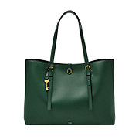 | 108 | $320.00
ZB1913914 | 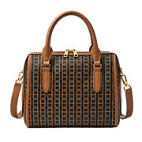 | 783 | $270.00
ZB1867914 | 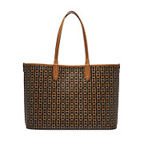 | 1,246 | $220.00
SHB2946136 | 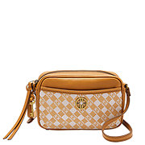 | 1,187 | $200.00
SHB2946336 | 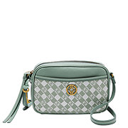 | 551 | $200.00
SHB2947939 | 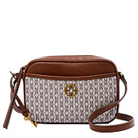 | 418 | $200.00
SHB2948919 | 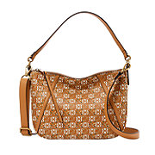 | 525 | $200.00
SHB2948976 | 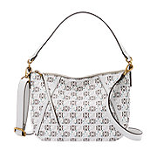 | 444 | $200.00
SHB2991189 | 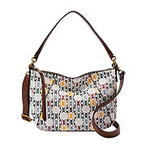 | 291 | $200.00
SHB2991340 | 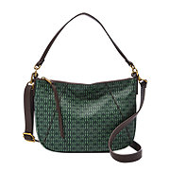 | 389 | $200.00
SHB2991998 | 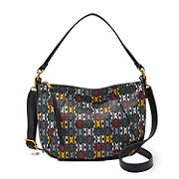 | 542 | $200.00
SHB2993015 | 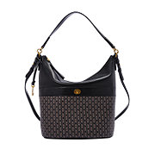 | 351 | $270.00
SHB2999998 | 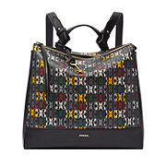 | 358 | $200.00
SHB3015998 | 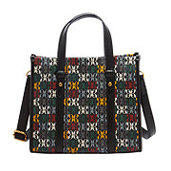 | 724 | $200.00
SHB3054340 | 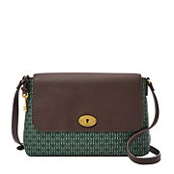 | 312 | $300.00
SHB3057627 | 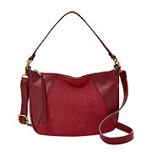 | 348 | $250.00
SHB3062414 | 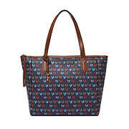 | 699 | $300.00
SHB2816015 | 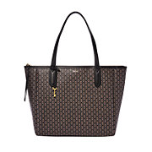 | 1,000 | $300.00
SHB2921015 | 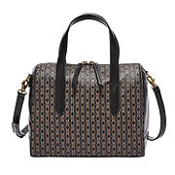 | 1,000 | $270.00
SHB2989015 | 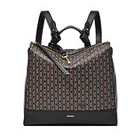 | 1,200 | $270.00
SBG1320001 | 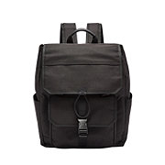 | 667 | $370.00
SBG1289001 | 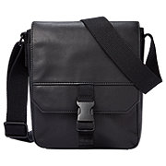 | 896 | $250.00
SBG1289201 | 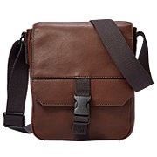 | 964 | $250.00
SBG1320345 | 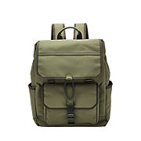 | 613 | $370.00
ML4462210 | 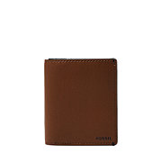 | 2,901 | $65.00
ML4461210 | 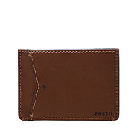 | 1,838 | $55.00
ML4462376 | 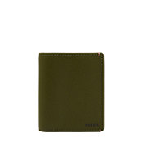 | 434 | $65.00
ML4461376 | 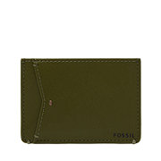 | 1,821 | $66.00
ML4461298 | 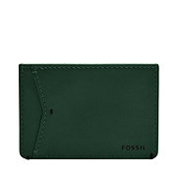 | 113 | $66.00
TOTAL |  | 39,382

